Nomination List
Nomination Form for KNU Exchange Program |  |  |  |  |  |  |  |  |  |  |  |  |  | M | 0 None
 |  |  |  |  |  |  |  |  |  |  |  |  |  |  | 5 Native
INFORMATION OF NOMINEES
No. | English Name | Gender (F / M) | Nationality | Date of Birth | E-mail | Home University |  | Desired Department at KNU | Study Period (1 or 2 semesters) | Degree Course | Current Year of Study | Remarks | Korean Name (Optional)
 |  |  |  | (YYYYMMDD) |  | College | Department (Major) |  |  |  | (Ex. 3, Junior etc.)
Example | Jinny Jang | F | Korean | 20010923 | abc@def.gh | Business | Accounts | Business & Aministration | 1 | Undergraduate | 1 |  | 장진희
1 |  |  |  |  |  |  |  |  |  | Undergraduate
2 |  |  |  |  |  |  |  |  |  | Undergraduate
3 |  |  |  |  |  |  |  |  |  | Undergraduate
4 |  |  |  |  |  |  |  |  |  | Undergraduate
5 |  |  |  |  |  |  |  |  |  | Undergraduate
6 |  |  |  |  |  |  |  |  |  | Undergraduate
7 |  |  |  |  |  |  |  |  |  | Undergraduate
 | ▲ ▲ ▲ ▲
Spelling MUST be exactly the same written in your passport. (학생의 이름은 여권에 나온 그대로 작성해주세요)
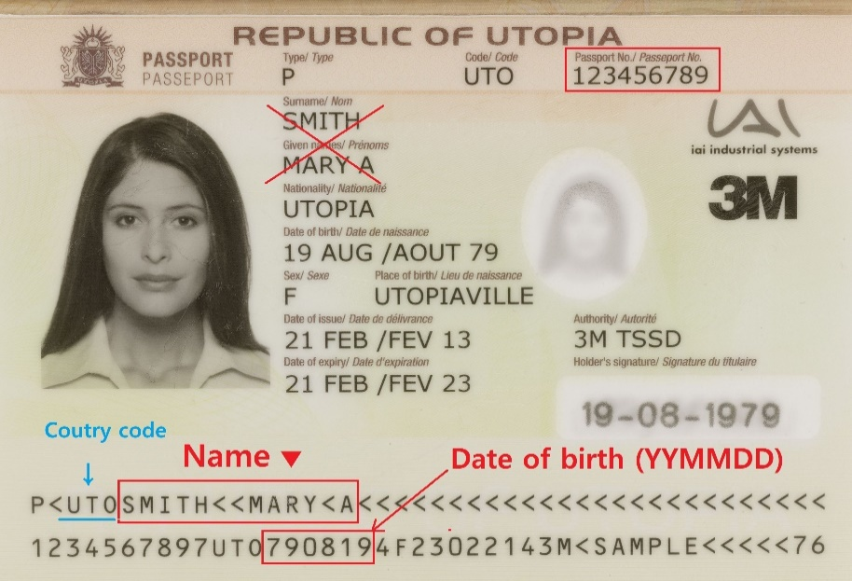

 |  |  |  | As there are countries such as Germany, Czech Republic and Russia that have different alphabets, when filling out this nomination list, please be sure to use the same name as the one written at the bottom part of a passport.
 |  |  |  | Please pay attention to the symbol for the spacing of words ( << ), also, be careful not to include the three-letter country code (e.g. RUS) written before your name.
 |  |  |  | 이름'은 반드시 여권 아래 부분에 보이는 영문 이름과(붉은색 박스)과 동일해야 합니다. 띄어쓰기 표시(<<)에 따라, 이름 사이에 빈 칸을 두고 적어주세요. 예를 들어, 여권 샘플에서 '국가코드("러시아" 국가코드 RUS)를 제외하고 CHIMITOVA ZHARGALMA로 적으면 됩니다.
 |  |  |  | 交换生填写申请书的时候，请填写护照下方的英文字母(图片中红色部分)

 |  |  |  |  |  |  |  | ························································

Online Application(screen shot)
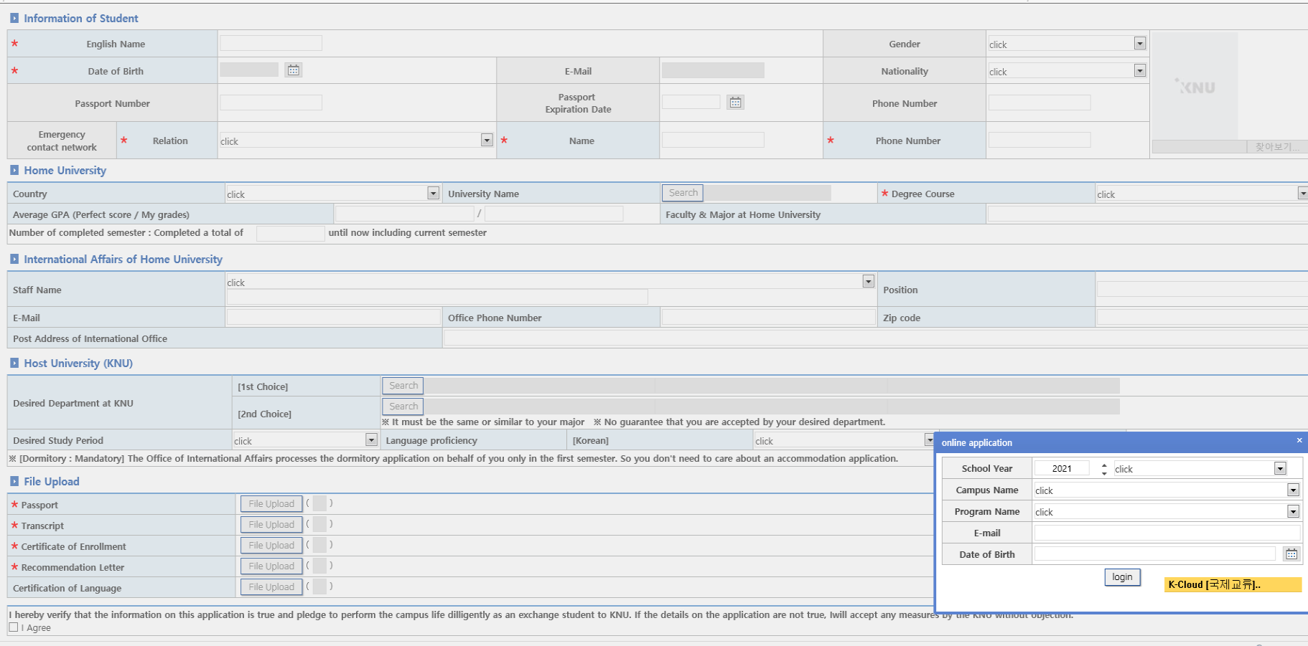
● Students can only fill the application when the partner university's coordinator submits the nomination by e-mail. (자매대학교 직원이 nominational list 파일을 KNU로 보내주시면, 학생들이 아래 보여지는 내용으로 온라인 신청을 할 수 있습니다.)
Online Application URL for nominees → | https://kopen.kangwon.ac.kr/websquare/websquare.jsp?w2xPath=/gukje/cm/gukjeMain.xml

● Screenshot
↓↓

